Sheet1
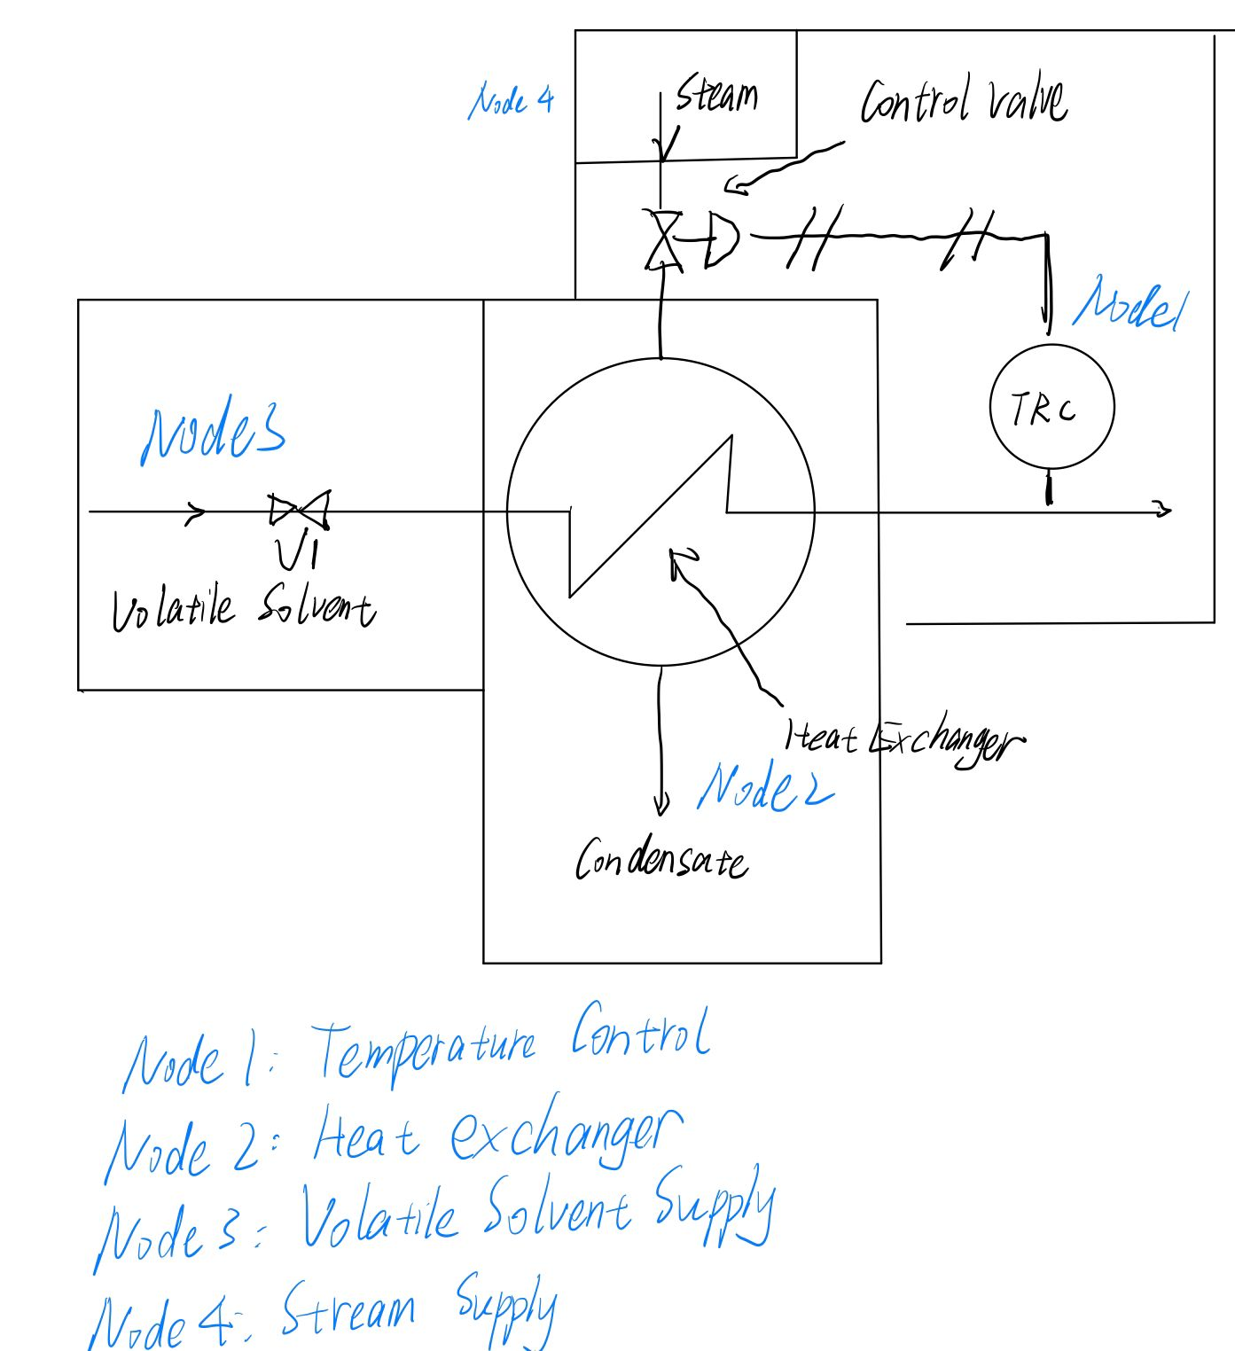
HAZOP Table
# of Functions/Purposes | # of Node | Parameter | Guideword | Deviation
1 | Node 1 Temperature Control | Control | No, Reverse | No control, Reverse control
2 | Node 2 Heat Exchanger | Pressure | Reverse, More, Less | Reverse pressure, More pressure, Less pressure
3 |  | Mixing | More, Less, None | More mixing, Less mixing, None mixing
4 |  | Temperature | Higher, Lower | Higher temperautre, Lower temperature
5 | Node 3 Volatile Solvent Supply | Pressure | Reverse, More, Less | Reverse pressure, More pressure, Less pressure
6 |  | Speed | Higher, Lower, Reverse | Higher speed, Lower speed, Reverse speed
7 |  | Start/stop | Early, Late | Early start/stop, Late start/stop
8 |  | Flow | No, More, Less | No flow, More flow, Less flow
9 |  | Control | No, Reverse | No control, Reverse control
10 |  | Maintain | Reverse, Part of | Reverse maintain, Part of maintain
11 |  | Temperature | Higher, Lower | Higher temperature, Lower temperature
12 | Stream Supply | Speed | Higher, Lower, Reverse | Higher speed, Lower speed, Reverse speed
13 |  | Temperature | Higher, Lower | Higher temperature, Lower temperature
14 |  | Pressure | Reverse, More, Less | Reverse Pressure, More pressure, Less pressure
15 |  | Flow | No, More, Less | No flow, More flow, Less flow

